Sheet1 (2)
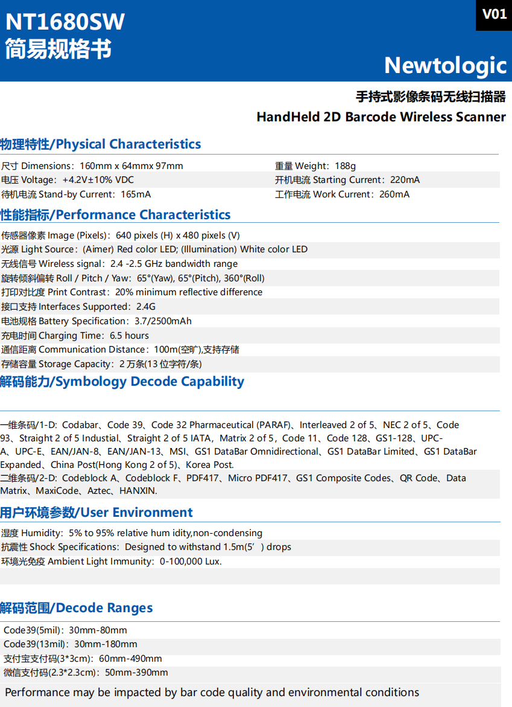
Guangzhou Ibocode Electronic Technology Co., Ltd Address: No. 14, Shetouling 1st Road, Sanlian Village, Lihu Street, Zengcheng District, Guangzhou City, Guangdong Province, China Website: https://www.Ibocode.com Contact Person: Amy Huang Email: amyrinahxy@ibocode.com Telephone/ Skype/ Whatsapp: +86-18826253532
HandHeld Wireless 2D Barcode Scanner IBC-2800R
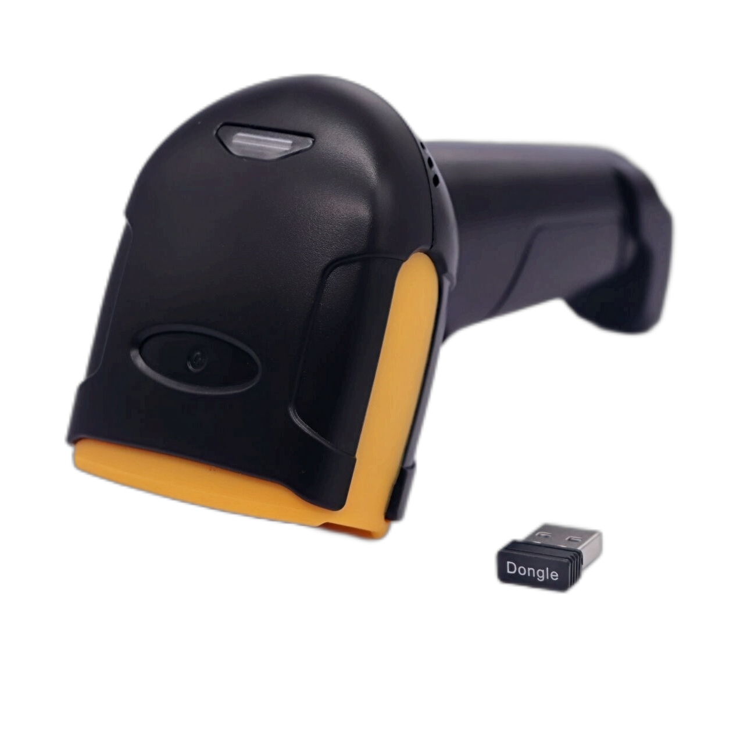
Feature: ● Wireless distance: long-distance wireless communication technology is used to achieve mobile scanning within a range of 100m (open space). ● Lithium-ion battery: high-density 2500mAh lithium-ion battery is used, and a full charge supports 5 hours of continuous work. ● Unique decoding technology: using the world's top decoding algorithm, various one-dimensional and two-dimensional barcodes can be quickly and accurately interpreted. ● High-performance scanning technology: supports scanning of various high-density, damaged and deformed barcodes.
Model No: IBC-2800R
Product Name: Handheld 1D 2D Wireless Barcode Scanner
Physical Characteristics
Dimensions: 160mm x 97mmx 64mm
Weight: 188g
Voltage: +4.2V±10% VDC
Starting Current: 220mA
Stand-by Current: 165mA
Work Current: 260mA
Performance Characteristics
Image (Pixels): 640 pixels (H) x 480 pixels (V)
Light Source: (Aimer) Red color LED; (lllumination) White color LED
Wireless signal: 2.4 -2.5 GHz bandwidth range
Roll / Pitch / Yaw: 65°(Yaw), 65°(Pitch), 360°(Roll)
Print Contrast: 20% minimum reflective difference
Interfaces Supported: 2.4G (bluetooth optional)
Battery Specification: 3.7/2500mAh
Charging Time: 6.5 hours
Communication Distance: 100m (open space)
Storage Capacity: 20,000 records (13 characters per record)
Symbology Decode Capability
1D: Codabar, Code 39, Code 32 Pharmaceutical (PARAF), Interleaved 2 of 5, NEC 2 of 5, Code 93, Straight 2 of 5 Industial, Straight 2 of 5 IATA，Matrix 2 of 5, Code 11, Code 128, GS1-128, UPC- A, UPC-E, EAN/JAN-8, EAN/JAN-13, MSI, GS1 DataBar Omnidirectional, GS1 DataBar Limited, GS1 DataBar Expanded, China Post (Hong Kong 2 of 5), Korea Post. 2D: Codeblock A, Codeblock F, PDF417, Micro PDF417, GS1 Composite Codes, QR Code, Data Matrix, MaxiCode, Aztec, HANXIN.
User Environment
Humidity: 5% to 95% relative humidity,non-condensing
Shock Specifications: Designed to withstand 1.5m(5’) drops
Ambient Light Immunity: 0-100,000 Lux.
Decode Ranges
Code39(5mil)：30mm-80mm Code39(13mil)：30mm-180mm Alipay payment code (3*3cm)：60mm-490mm WeChat payment code (2.3*2.3cm)：50mm-390mm
Performance may be impacted by bar code quality and environmental conditions

